listing
1) ENGLISH ITEM NAME (ex : OOOO machine) | 2)中文名称 | 3) MANUFACTUROR (ex : OOO company) | 4) MODEL NO (ex : abc-123) | 5)Serial number | 6)CN hs code | 7)VN hs code | 8)Material | 9) VOLTAGE (ex : 220V) | 10) CAPACITY (ex :1200KW) | 11) Manufacture date (yyyy-mm-dd) | 12) ORIGIN | 13) NEW or USED | 14) PICTURE (BEFORE PACKING) | 15) PICTURE (NAME PLATE or label) | 16)Quantity | 17)cost(RMB 13%VAT) | 18)cost(USD) | 19)Total cost(USD) | 20)CARTON NO. | 21)CTN QTY | 22)G.W(KGS) | 23)N.W(KGS) | 24)Package Size(CM) | 25)Part size(CM) | 26)应用范围 | 27)是否带电源
Panel separation fixture | 分板治具 | Techsen Electronics(ShenZhen)Co.,Ltd | Trix-8 VEV3 | Trix-8 F01 |  |  | 电木 |  |  | 2026-06-17 | CHINA | NEW | 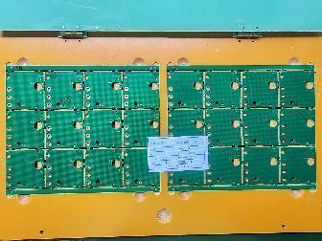 | 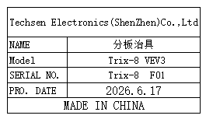 | 1 | 300 |  |  | X1 | 1 | 17.5 | 1.1 | 54x41x36 | 38x25x2 | Production Assemble | NO
Panel separation fixture | 分板治具 | Techsen Electronics(ShenZhen)Co.,Ltd | Trix-8 | Trix-8 F02 |  |  | 电木 |  |  | 2026-06-17 | CHINA | NEW | 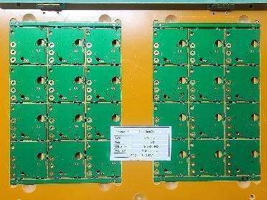 | 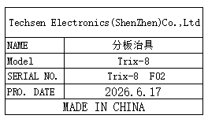 | 1 | 300 |  |  |  |  |  | 1.1 |  | 38x25x2 | Production Assemble | NO
Panel separation fixture | 分板治具 | Techsen Electronics(ShenZhen)Co.,Ltd | Usrid-16 | Usrid-16 F01 |  |  | 电木 |  |  | 2026-06-17 | CHINA | NEW | 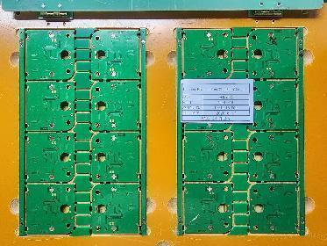 | 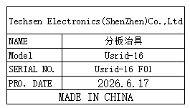 | 1 | 300 |  |  |  |  |  | 1.1 |  | 38x25x2 | Production Assemble | NO
Panel separation fixture | 分板治具 | Techsen Electronics(ShenZhen)Co.,Ltd | UTRED30-WIFIV3 | UTRED30 F01 |  |  | 电木 |  |  | 2026-06-17 | CHINA | NEW | 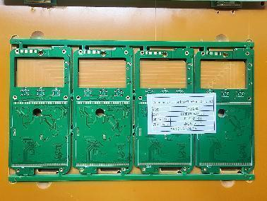 | 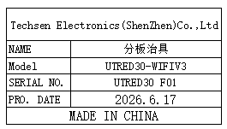 | 1 | 300 |  |  |  |  |  | 1.1 |  | 38x25x2 | Production Assemble | NO
Panel separation fixture | 分板治具 | Techsen Electronics(ShenZhen)Co.,Ltd | UHADO-16 | UHADO F01 |  |  | 电木 |  |  | 2026-06-17 | CHINA | NEW | 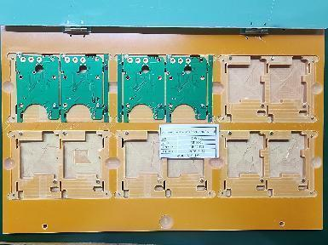 | 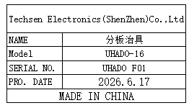 | 1 | 300 |  |  |  |  |  | 1.1 |  | 38x25x2 | Production Assemble | NO
Separate power supply board fixture | 分电源板治具 | Techsen Electronics(ShenZhen)Co.,Ltd | STAR WARS SIMON | STAR WARS F01A |  |  | 电木 |  |  | 2026-06-22 | CHINA | NEW | 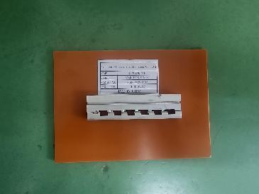 | 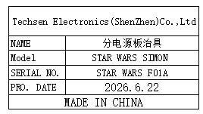 | 1 | 15 |  |  |  |  |  | 0.2 |  | 18x13x2 | Production Assemble | NO
Welding red line fixture | 焊红线治具 | Techsen Electronics(ShenZhen)Co.,Ltd | STAR WARS SIMON | STAR WARS F02A |  |  | 电木 |  |  | 2026-06-22 | CHINA | NEW | 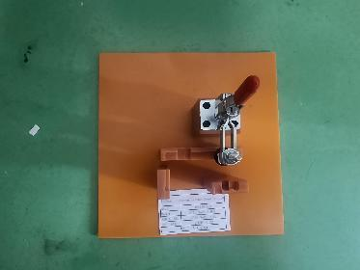 | 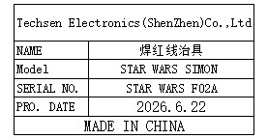 | 2 | 20 |  |  |  |  |  | 0.3*2 |  | 18x18x14 | Production Assemble | NO
Weld the switch fixture | 焊开关治具 | Techsen Electronics(ShenZhen)Co.,Ltd | STAR WARS SIMON | STAR WARS F03A |  |  | 电木 |  |  | 2026-06-22 | CHINA | NEW | 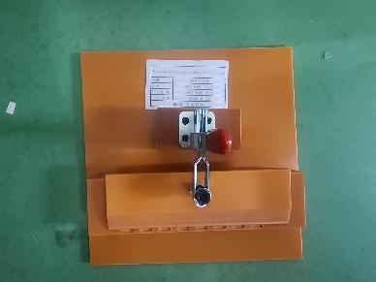 | 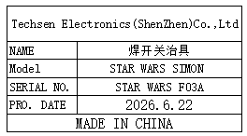 | 1 | 15 |  |  |  |  |  | 0.2 |  | 18x18x14 | Production Assemble | NO
Welding horn wire fixture | 焊喇叭线治具 | Techsen Electronics(ShenZhen)Co.,Ltd | STAR WARS SIMON | STAR WARS F04A |  |  | 电木 |  |  | 2026-06-22 | CHINA | NEW | 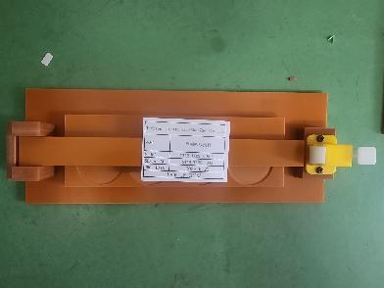 | 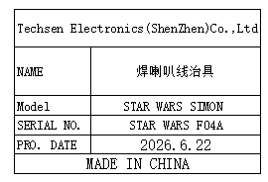 | 1 | 15 |  |  |  |  |  | 0.2 |  | 27x10x4 | Production Assemble | NO
Fixed surface shell lampshade, PCB board, date, main unit, battery door, wire fixture | 固定面壳打灯罩、打PCB板、打日期、打主机、打电池门、扎线治具 | Techsen Electronics(ShenZhen)Co.,Ltd | STAR WARS SIMON | STAR WARS F05A |  |  | 电木 |  |  | 2026-06-22 | CHINA | NEW | 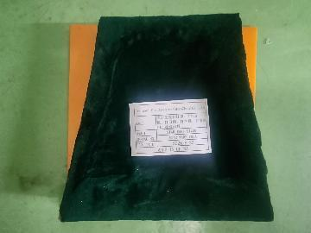 | 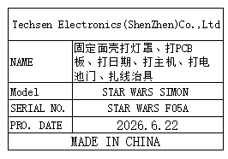 | 13 | 30 |  |  |  |  |  | 0.5*13 |  | 18x18x5 | Production Assemble | NO
Beer nut fixture | 啤螺母治具 | Techsen Electronics(ShenZhen)Co.,Ltd | STAR WARS SIMON | STAR WARS F06A |  |  | 电木 |  |  | 2026-06-22 | CHINA | NEW | 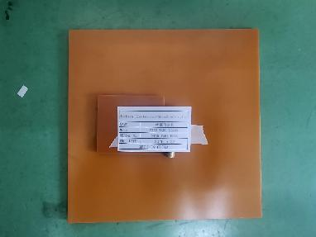 | 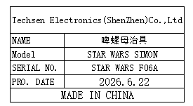 | 1 | 15 |  |  |  |  |  | 0.2 |  | 18x18x1 | Production Assemble | NO
Beer battery cell fixture | 啤电池片治具 | Techsen Electronics(ShenZhen)Co.,Ltd | STAR WARS SIMON | STAR WARS F07A |  |  | 铁 |  |  | 2026-06-22 | CHINA | NEW |  | 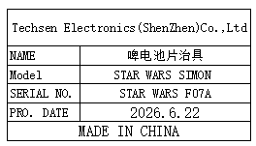 | 1 | 300 |  |  |  |  |  | 2.1 |  | 16.5x8x21 | Production Assemble | NO
Fixed bottom shell date fixture | 固定底壳打日期治具 | Techsen Electronics(ShenZhen)Co.,Ltd | STAR WARS SIMON | STAR WARS F08A |  |  | 电木 |  |  | 2026-06-22 | CHINA | NEW | 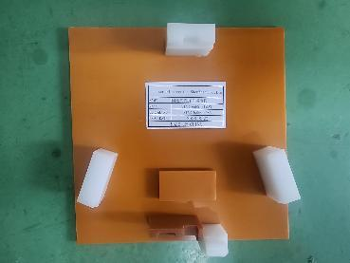 | 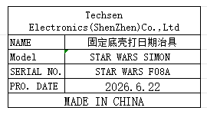 | 1 | 30 |  |  |  |  |  | 0.5 |  | 18x18x3 | Production Assemble | NO
Host test stand fixture | 主机测试架治具 | Techsen Electronics(ShenZhen)Co.,Ltd | MONOPOLY2016 | MONOPOLY2016-C02 |  |  | 电木 |  |  | 2026-06-22 | CHINA | NEW | 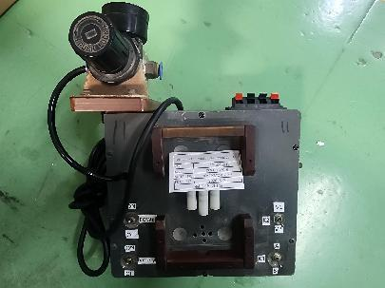 | 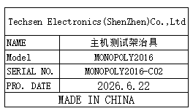 | 4 | 400 |  |  | X2,X6 | 2 | 7.5 | 3.5*2 | 48*37x35 | 27x21.5x43.5 | Production Assemble | NO
Pneumatic test stand fixture | 气动测试架治具 | Techsen Electronics(ShenZhen)Co.,Ltd | STAR WARS SIMON | STAR WARS J01A |  |  | 电木 |  |  | 2026-06-22 | CHINA | NEW | 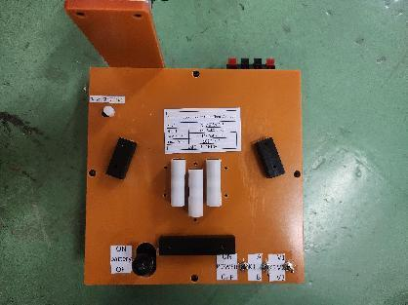 | 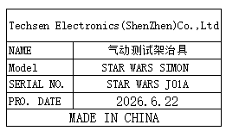 | 3 | 400 |  |  | X3 | 1 | 6.8 | 2.1*3 | 56x40x23 | 27x21.5x25 | Production Assemble | NO

